Insulation
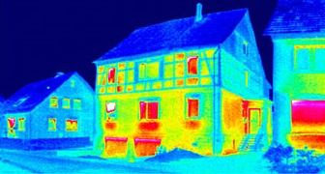
Inside temperature | 25 |  | 20.0 | Celsius
 |  |  | 68 | Fahrenheit

Outside temperature | 79 |  | 3.5 | Celsius
 |  |  | 38 | Fahrenheit

Fiberglass insulation thickness | 83 |  | 84 | Centimeters
 |  |  | 33.1 | Inches

Fiberglass insulation R-value |  | 99.2 |  |  | Heat energy from a house.
 |  |  |  |  | Blue color=no leakage to outside - good insulation
 |  |  |  |  | Red color=significant leakage - poor insulation
Heat flux (F) |  | 0.17 |  | watts/meter2

