Lab
 | Select Impactor Properties |  |  |  |  |  |  |  | Calculated Properties
 |  |  |  |  |  |  |  |  |  |  |  | Model Pi2= | 9.3501072E-06
 | Speed |  | 100 | 25 | km/s |  |  | Impactor | Mass | 1,482,300,911,546 | kg | Model PiD= | 20.44279779
 |  |  |  |  |  |  |  |  |  | 1,482,300,912 | tons
 | Diameter |  | 98 | 981 | meters
 |  |  |  |  |  |  |  | Impactor | Energy | 463,219,034,858,012,500,000 | Joules
 | Density |  | 100 | 3000 | kg/m3 |  |  |  |  | 110,817,950,923 | tons of TNT

 | Distance |  | 6 | 631 | kilometers

 |  |  |  |  |  | The impact would have a magnitude of |  |  |  | 7.76

 |  |  |  |  |  | And displace the seismograph sensor by |  |  |  | 17312322.481304 | millimeters

 |  |  |  |  |  | It would produce a crater with a diameter of |  |  |  | 16054 | meters
 |  |  |  | Huygens Crater
 |  |  |  | (450 km)

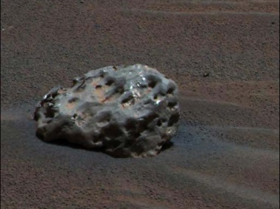
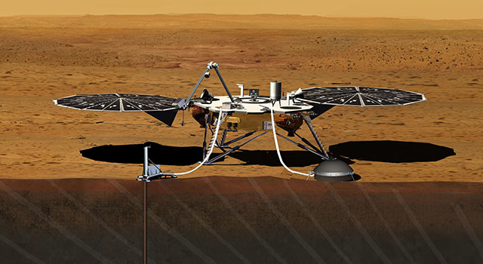
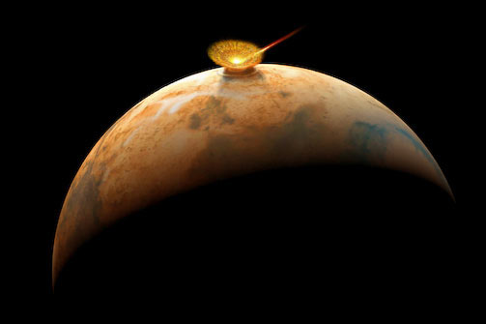

 |  | InSight lander on Mars |  |  |  |  | Iron meteorite on Mars
 |  |  |  |  |  |  | (diameter=12 inches)

Resources:
http://www.lpl.arizona.edu/tekton/crater_p.html
http://en.wikipedia.org/wiki/Moment_magnitude_scale

Background image from Viking
Iapygia region of Mars
Large impact crater, Huygens 450 km diameter
http://xpda.com/mars/viking/

